Layout
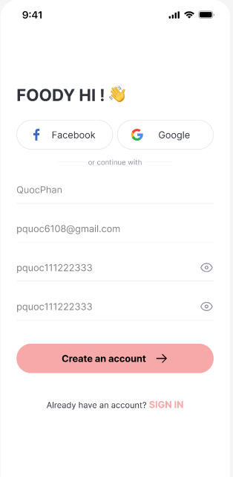
6.2.1 UC01-01-09 Màn hình đăng nhập hệ thống
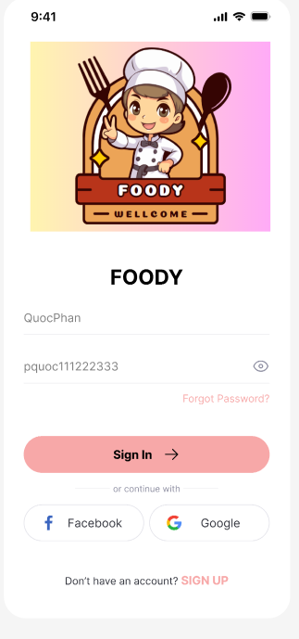

6.2.2 UC01-03-02 Màn hình đăng kí hệ thống

